Capture Approve Realisasi
Login Maker
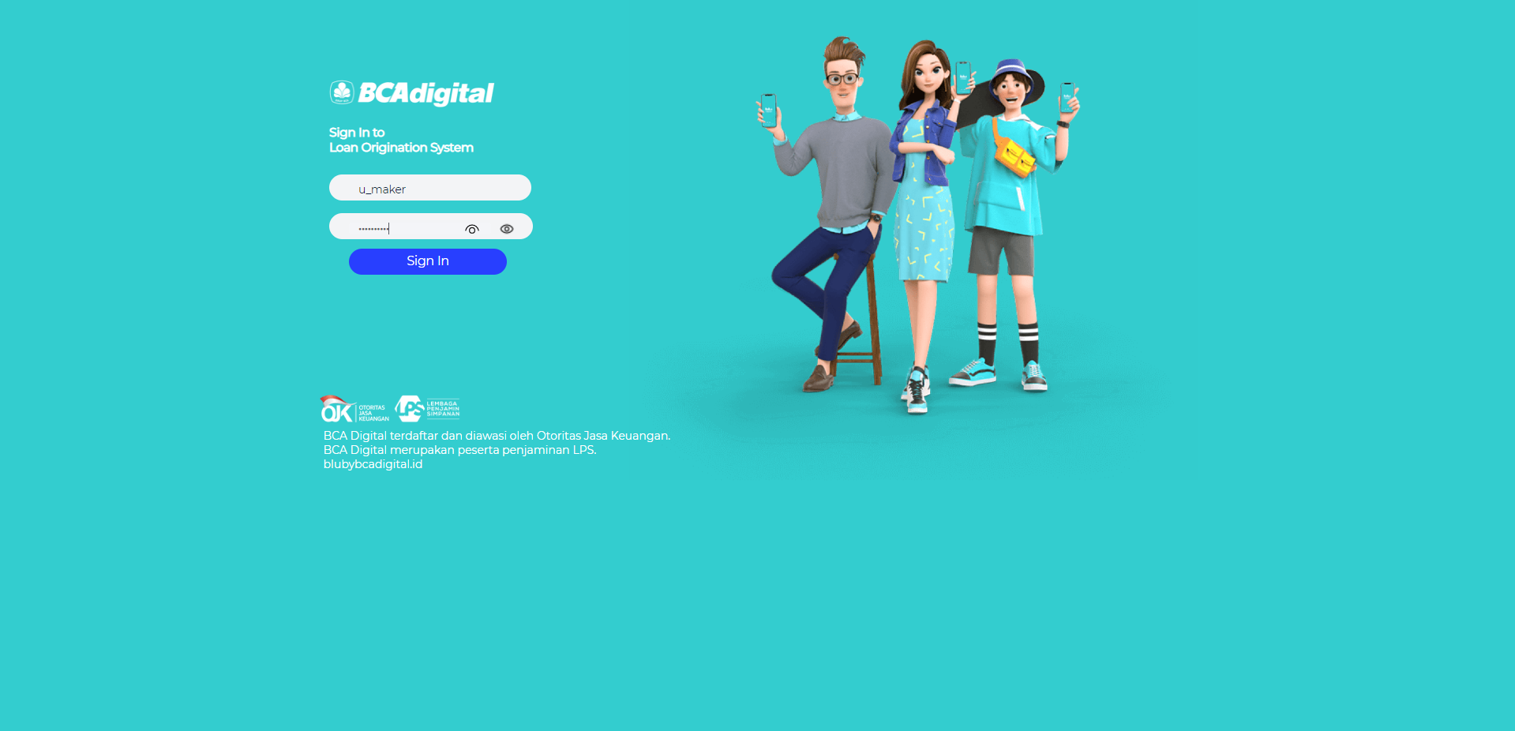

Tampil user name and halaman dashboard

